FORM
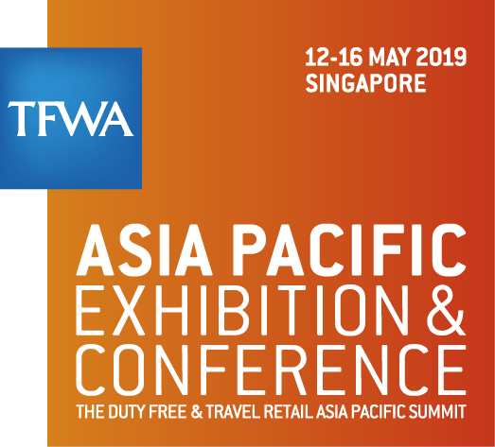

HOTEL GROUP RESERVATION FORM
Please forward this form via fax or email to PACIFIC WORLD MEETINGS & EVENTS SINGAPORE PTE LTD
Fax: +65 6337 8390 Email: tfwa.ap@pacificworld.com

COMPANY DETAILS (All fields must be completed in clear caps print)

Company name |  |  |  | Participation type
Address |  |  |  | Contact person
Postal code & city |  |  |  | Telephone no.
Country |  |  |  | Email address

PAYMENT DETAILS (Credit card details must be complete for hotel booking to be confirmed)
I hereby authorise "The Hotel" to charge the minimum night stay (stated in the respective hotels' booking conditions), as a deposit to guarantee the hotel reservation, based on the room rates and all applicable & prevailing taxes as indicated.

Credit card type
Credit card no. |  |  | * Please write numbers clearly and exactly as they appear on credit card
CVC code |  |  | * Amex: 4 digit code on the front of the card OR Visa/MasterCard: 3 digit code on the back of the card
Expiry date |  |  | * Format: MM/YYYY

Payment Notes:
Please note that the credit card provided serve as a guarantee for the rooms booked. Upon arrival at the hotel, guests will make payment directly to the hotel.
Do inform us if you would like to make a prepayment for the rooms booked.

HOTEL RESERVATION REQUEST (Hotels are allocated on first-come-first-served basis)

Salutation | Nationality | Last Name | First Name |  | Name of Hotel | Room Type | Breakfast Option | Check-in Date | Check-out Date | Occupancy | Sharer's Last Name | Sharer's First Name | Additional Remarks

